TPFLYER
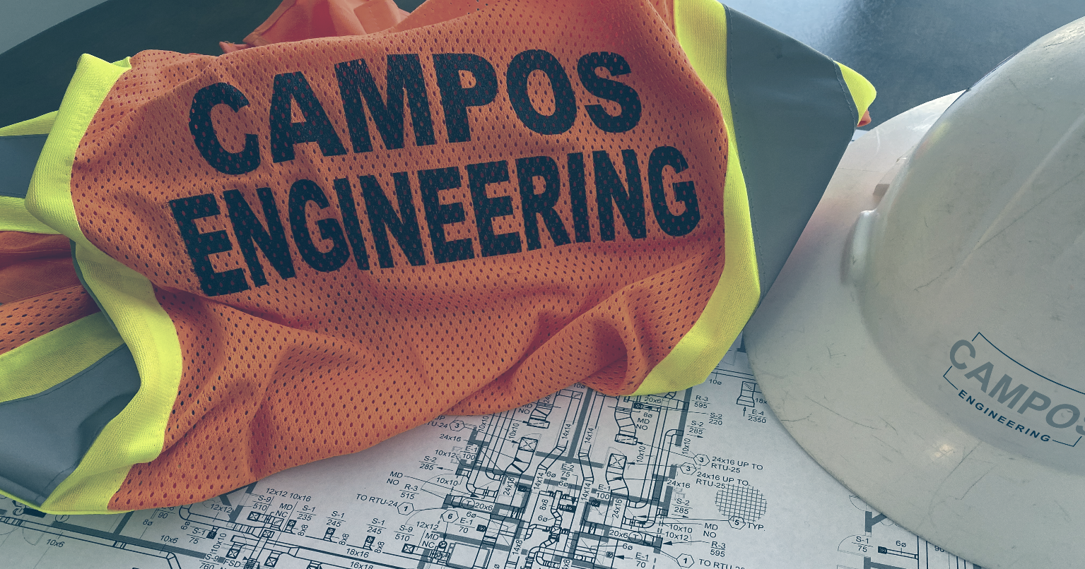
 |  |  |  |  | Report Builder Selection (AJ38)
 |  |  |  |  | El Paso

 |  |  |  |  | Campos NEBB Sealing Office Address 1
 |  |  |  |  | 1331 River Bend Drive
 |  |  |  |  | 1226 S Lake Street
 |  |  |  |  | 10661 Haddington Drive Suite 190
 |  |  |  |  | 10737 Gateway West Blvd., Suite 200
 |  |  |  |  | 108 Wild Basin Road, Suite 14B

 |  |  |  |  | Campos NEBB Sealing Office Address 2
 |  |  |  |  | Dallas, TX 75247-4962
 |  |  |  |  | Fort Worth, TX 76104-4311
 |  |  |  |  | Houston, TX 77043-3250
 |  |  |  |  | El Paso, TX 79935-4910
 |  |  |  |  | Austin, TX 78746-3326

 |  |  |  |  | Campos NEBB Sealing Office Reg. Number
 |  |  |  |  | 2951 | <-- Dallas
 |  |  |  |  | 3558 | <-- Ft. Worth
 |  |  |  |  | 3683 | <-- Houston
 |  |  |  |  | 3857 | <-- El Paso
 |  |  |  |  | 0 | <-- | Austin
Certified Test, Adjust and Balance Report

test

office

ENGINEER | mep | HVAC CONTRACTOR |  | hvac

PREPARED BY |  |  | PREPARED FOR

REPLACE BOX WITH ACTUAL CLIENT LOGO
CAMPOS ENGINEERING, Inc.

10737 Gateway West Blvd., Suite 200
El Paso, TX 79935-4910

TX Professional Engineering
Registration No. F-1731
NEBB Registration Number: 3857

